Sheet1
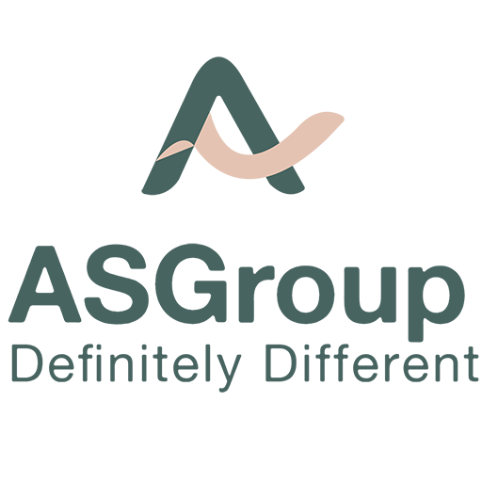
EDUCATIONAL EQUITY RESEARCH REPORT : april
ADANI PORTS AND SPECIAL ECONOMIC ZONE LTD.
 | (NSE: ADANIPORTS, BSE: 532921)

DATE : 20/4/24
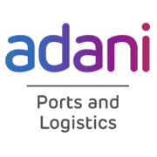
WE AT AS WEALTH AND TRAINING PVT LTD ,INITIATE OUR COVERAGE ON ADANI PORTS AND SPECIAL ECONOMIC ZONE LTD.
Being largest commercial port operator, we are contributing to the country’s growing trade.
Its spread across 13 domestic ports in eight maritime states – Gujarat, Maharashtra, Goa,
Kerala, Andhra Pradesh, Tamil Nadu, Odisha, and West Bengal – lend it a national presence. The
port facilities are equipped with the latest cargo-handling infrastructure which is not only
best-in-class, but also capable of handling the largest vessels calling at Indian shores. Our ports are
equipped to handle diverse cargos – dry cargo, liquid cargo, crude and containers.

ABOUT THE BUSINESS : |  |  |  |  |  |  |  |  |  |  |  |  |  | FINANCIAL SNAP SHOT :
Adani Ports and Special Economic Zone Limited is an Indian multinational port operator and logistics |  |  |  |  |  |  |  |  |  |  |  |  |  | MARKET CAP | ₹ 2,90,322 Cr.
company, based in Ahmedabad, India.A subsidiary of Adani Group, APSEZ is India's largest private |  |  |  |  |  |  |  |  |  |  |  |  |  | STOCK P/E |  | 32.9
port operator with a network of 12 ports and terminals, including India's first deep water Transshipment Port |  |  |  |  |  |  |  |  |  |  |  |  |  | ROE |  | 14.4 %
Port Vizhinjam International Seaport Thiruvananthapuram and India's first port-based SEZ at Mundra. |  |  |  |  |  |  |  |  |  |  |  |  |  | CURRENT PRICE |  | 1310
As of 2017, APSEZ operated 3 inland container depots (ICD) through its subsidiary Adani Logistics Ltd. |  |  |  |  |  |  |  |  |  |  |  |  |  | BOOK VALUE |  | ₹ 225
In August 2022, they acquired an additional ICD from Navkar Corporation in Tumb, Gujarat |  |  |  |  |  |  |  |  |  |  |  |  |  | ROCE |  | 9.53 %
 |  |  |  |  |  |  |  |  |  |  |  |  |  | HIGH |  | ₹ 1,425
It holds Category 1 License for the Indian Railways that helps in pan-India cargo movement. |  |  |  |  |  |  |  |  |  |  |  |  |  | LOW |  | 651
The trains owned by Adani Logistics were used to dispatch 30,000 tonnes of food grains to feed over 60 lakh |  |  |  |  |  |  |  |  |  |  |  |  |  | DIVIDEND YIELD |  | 0.37 %
citizens across the states of Tamil Nadu, Karnataka, West Bengal, and Maharashtra, during the 2020 COVID-19 lockdown. |  |  |  |  |  |  |  |  |  |  |  |  |  | FACE VALUE |  | ₹ 2.00
APSEZ provides dredging and reclamation solutions, primarily for port and harbor construction.
The Adani Group started investing in developing a dredging fleet in 2005. |  |  |  |  |  |  |  |  |  |  |  |  |  | share holding pattern:
 |  |  |  |  |  |  |  |  |  |  |  |  |  | PROMOTERS |  | 65.89%
FINANCIAL SNAPSHOT : |  |  |  |  |  |  |  |  |  |  |  |  |  | FIIS |  | 14.98%
 |  |  |  |  |  |  |  |  |  |  |  |  |  | DIIS |  | 11.84%
 | Mar-12 | Mar-13 | Mar-14 | Mar-15 | Mar-16 | Mar-17 | Mar-18 | Mar-19 | Mar-20 | Mar-21 | Mar-22 | Mar-23 | TTM | PUBLIC |  | 7.30%
Sales + | 2,697 | 3,577 | 4,830 | 6,152 | 7,109 | 8,439 | 11,323 | 10,925 | 11,873 | 12,550 | 17,119 | 20,852 | 25,611 | GOVERNMENT |  | 0.00%
Expenses + | 952 | 1,195 | 1,910 | 2,250 | 2,532 | 3,021 | 4,166 | 4,330 | 5,926 | 3,862 | 7,591 | 9,905 | 10,791 | OTHERS : |  | 0.00%
Operating Profit | 1,746 | 2,382 | 2,919 | 3,902 | 4,577 | 5,418 | 7,157 | 6,596 | 5,947 | 8,688 | 9,528 | 10,947 | 14,820 | NO.OF |  | 991,001
OPM % | 65% | 67% | 60% | 63% | 64% | 64% | 63% | 60% | 50% | 69% | 56% | 52% | 58% | SHAREHOLDERS

Other Income + | 34 | 344 | 685 | 686 | 730 | 1,037 | 844 | 1,289 | 1,928 | 1,967 | 1,832 | 328 | -97 | crisil rating :
Interest | 281 | 542 | 977 | 1,175 | 1,124 | 1,116 | 1,579 | 1,385 | 1,951 | 2,255 | 2,544 | 2,363 | 2,751
Depreciation | 316 | 422 | 649 | 912 | 1,063 | 1,160 | 1,188 | 1,373 | 1,680 | 2,107 | 3,099 | 3,423 | 3,754
Profit before tax | 1,182 | 1,762 | 1,978 | 2,501 | 3,119 | 4,179 | 5,234 | 5,126 | 4,244 | 6,292 | 5,717 | 5,489 | 8,217
Tax % | 8% | 7% | 12% | 7% | 9% | 7% | 30% | 21% | 11% | 20% | 13% | 2%
Net Profit + | 1,093 | 1,639 | 1,741 | 2,324 | 2,856 | 3,902 | 3,690 | 4,045 | 3,785 | 5,049 | 4,953 | 5,393 | 7,230
EPS in Rs | 5.5 | 8.1 | 8.4 | 11.18 | 13.99 | 18.89 | 17.74 | 19.27 | 18.52 | 24.58 | 23.13 | 24.58 | 33.46
Dividend Payout % | 18% | 12% | 12% | 10% | 8% | 7% | 11% | 1% | 17% | 20% | 22% | 20%

PROS :
 |  |  |  |  |  |  |  |  |  |  |  |  |  | RESEARCH ANALYST :
• COMPANY IS EXPECTED TO GIVE GOOD QUARTER. |  |  |  |  |  |  |  |  |  |  |  |  |  | P.SUNANDINI
• COMPANY HAS BEEN MAINTAINING A HEALTHY DIVIDEND PAYOUT OF 20.8%. |  |  |  |  |  |  |  |  |  |  |  |  |  | @ AS WEALTH AND TRAINING PVT LTD.
• COMPANY'S MEDIAN SALES GROWTH IS 18.7% OF LAST 10 YEARS.

CONS :

• STOCK IS TRADING AT 6.02 TIMES ITS BOOK VALUE
• TAX RATE SEEMS TO BE LOW.
• Company might be capitalizing the interest cost

Sheet2
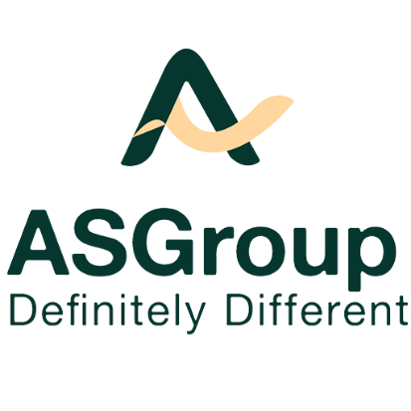
 | ADANI PORTS AND SPECIAL ECONOMIC ZONE LTD.
 |  | (NSE: ADANIPORTS, BSE: 532921)

KEY POINTS :

• APEZ HAS INVESTED IN LOGISTICS TO EMERGE AS A TRANSPORTATION UTILITY IN LINE WITH GOVERNMENT POLICIES.
• THE MULTI-BUSINES ADANI PORTFOLIO OF COMPANIES IS ONE OF THE MOST DYNAMIC INDUSTRIAL ONGLOMERATES IN INDIA.
• THIS YEAR SAW APEZ ACHIEVING VARIOUS NEW OPERATIONAL MILESTONES.
• ITS FLAGSHIP PORT MUNDRA THE FIRST TO HANDLE 16MMT CARGO IN A SINGLE MONTH (OCTOBER 2023).
• APEZ HANDLED ITS HIGHEST EVER MONTHLY CARGO VOLUMES OF OVER 38MMT MARCH 2024.
• THE COMPANY SECURES LEADERSHIP BAND IN CDP CLIMATE ASSESSMENT 2023.
• ADANI PORTS ACHIEVED HIGHEST ALUMINA BULK DISCHARGE IN A DAY; BERTHED THE LARGEST DISPLACEMENT VESSEL IN JUNE
2022; ENABLES THE MECHANICAL HANDLING OF LIMESTONE; REPORTED PORT GATE EFFICIENCY IMPROVEMENT ; INCREASED RAILWAY
MECHANIZATION,DEDICATED RESOURCES AND INCREASED EFFICIENCY ; REPORTED THE HIGHEST DAILY RAKES HANDLED; REPORTED GROWTH
IN AVERAGE TONNES PER DAY (TDP) VESSELS PRODUCTIVITY.
• THE REVENUES INCREASED BY A HEALTHY 27% YoY TO RS.1,529 CRORE.
• THE ROCE FOR THE PORT IN FY2022-23 STOOD AT 11%.
• CLEANED YARADA BEACH IN AUGUST 2022;COLLECTED 3 TONNES OF WASTE ; COMPLETED ANNUAL BEACH NOURISHMENT.
• APEZ DEVELOPED A STRING OF PORTS ACROSS THE INDIAN COASTLINE.
• APEZ CONNECTS PORTS WITH RAIL TO ENHANCE LAST MILE CONNECTIVITY AND FACILITATE TIMELY DISPATCHES.
• THE COMPANY POSITIONED ITSELF AROUND THE BEST GLOBAL STANDARDS.
• APEZ IS DEDICATED TO CONTRIBUTING TO THE LONGTERM DEVELOPMENT AND PROGRESS OF INDIA.
• THE COMPANY IS THE LARGEST PORT OPERATOR IN INDIA WITH A COMPLEMENT OF 12 MULTI PURPOSE OPERATING
PORTS (INCLUDING THE RECENTLY ACQUIRED KARAIKAL PORT).
• THE COMPANY COMPRISES A LOGISTIC INFRASTRUCTURE NETWORK-FIXED AND MOBILE TO PROVIDE ALL LOGISTICS SERVICES IN INDIA
REINFORCING ITS POSITIONING AS A 'TRANSPORT UTILITY'.
• IT IS POSITIONED TO BECOME THE WORLD'S LARGEST PRIVATE PORT COMPANY BY 2030 (1000MMT CARGO HANDLING).
• IT IS COMMITTED TO BECOME CARBON-NEUTRAL BY 2025.
• THE SHARE PRICE IS EXPECTED TO GO UPTO 1384 IF IT BREAKS 1374.63 ON THE UPPER SIDE .
• THE SHARE PRICE IS EXPECTED TO GO UPTO 1233 IF IT BREAKS 1262 ON THE LOWER SIDE.

